Table estimation km
Registre des déplacements d'affaires

Estimation des kilomètres parcourus en véhicule ou en taxi, lorsque seulement le montant dépensé ($) est connu
Choisir l'année de suivi --> | 2024-2025 |  | Inscrire le montant ici ↓
Véhicule de location de courte durée/Véhicule personnel | Véhicule léger | Essence ($)
 |  | Diesel ($)
 | Minifourgonnette, VUS, camionnette | Essence ($)
 |  | Diesel ($)
Taxi |  | Montant total ($)
 |  | Nombre de courses
Kilomètres |  |  | 0 km | Valeur à copier pour le registre

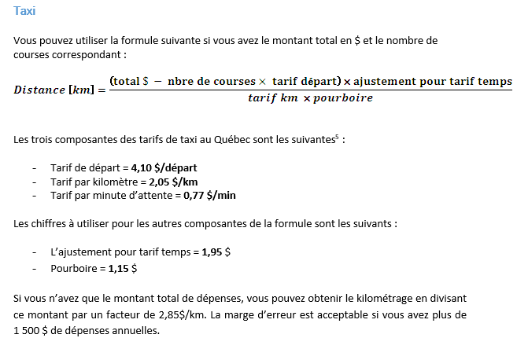

Fichier de saisie MELCCFP
 | Registre des déplacements d'affaires
Tableaux avec valeurs à copier dans BLANC_TA_saisie_transport

Déplacements avec émissions
Taxi [km] | -
Passager covoiturage [km] | -
Autobus urbain [km] | -
Autobus interurbain [km] | -
Métro [km] | -
Train [km] | -
Valeurs à coller dans l'onglet 3. KM POLLUANTS
Véhicule de location courte durée [km] | -
Véhicule personnel [km] | -
Avion [km] | -
Total [km] | km

Total [GJ] | GJ

Total [tonne éq.CO2] | 0.000 ton CO2 éq.

Valeurs à coller dans l'onglet 4. KM ZÉRO ÉMISSION
Déplacements sans émissions | GES_autre_14_15
À pied [km] | -
À bicyclette [km] | -
Total [km] | km

